Beams vs Value vs eFUSE
...
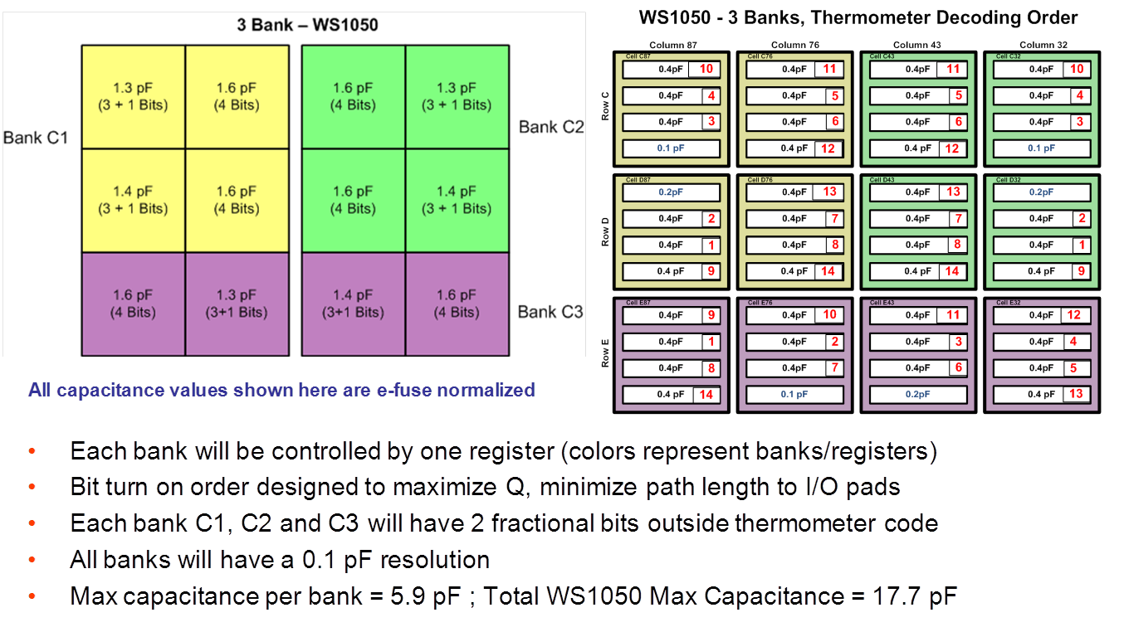
...
1110 | Activated Beams |  | 1111
0.125pF Beam | #0.5pF Beams | 0.25pF Beam | 0.125pF Beam
0 | 0 | 0 | 0
1 | 0 | 0 | 1
1 | 0 | 0 | 1
0 | 0 | 1 | 0
1 | 0 | 1 | 1
1 | 0 | 1 | 1
0 | 1 | 0 | 0
1 | 1 | 0 | 1
0 | 1 | 0 | 1
0 | 1 | 1 | 0
1 | 1 | 1 | 1
0 | 1 | 1 | 1
0 | 2 | 0 | 0
1 | 2 | 0 | 1
0 | 2 | 0 | 1
0 | 2 | 1 | 0
1 | 2 | 1 | 1
0 | 2 | 1 | 1
0 | 3 | 0 | 0
1 | 3 | 0 | 0
0 | 3 | 0 | 1
0 | 3 | 1 | 0
1 | 3 | 1 | 0
0 | 3 | 1 | 1
1 | 4 | 0 | 0
1 | 4 | 0 | 0
0 | 4 | 0 | 1
1 | 4 | 1 | 0
1 | 4 | 1 | 0
0 | 4 | 1 | 1
1 | 5 | 0 | 0
1 | 5 | 0 | 0
0 | 5 | 0 | 1
1 | 5 | 1 | 0
1 | 5 | 1 | 0
0 | 5 | 1 | 1
1 | 6 | 0 | 0
1 | 6 | 0 | 0
0 | 6 | 0 | 1
...

